histogram
size of histogram bin | 7.4%
Histogram of Class Opinions on Importance of Trees
55.7% | 4
63.1% | 0
70.5% | 1
77.8% | 3
85.2% | 3
92.6% | 1
100.0% | 7
total | 19

box_and_whisker_charts
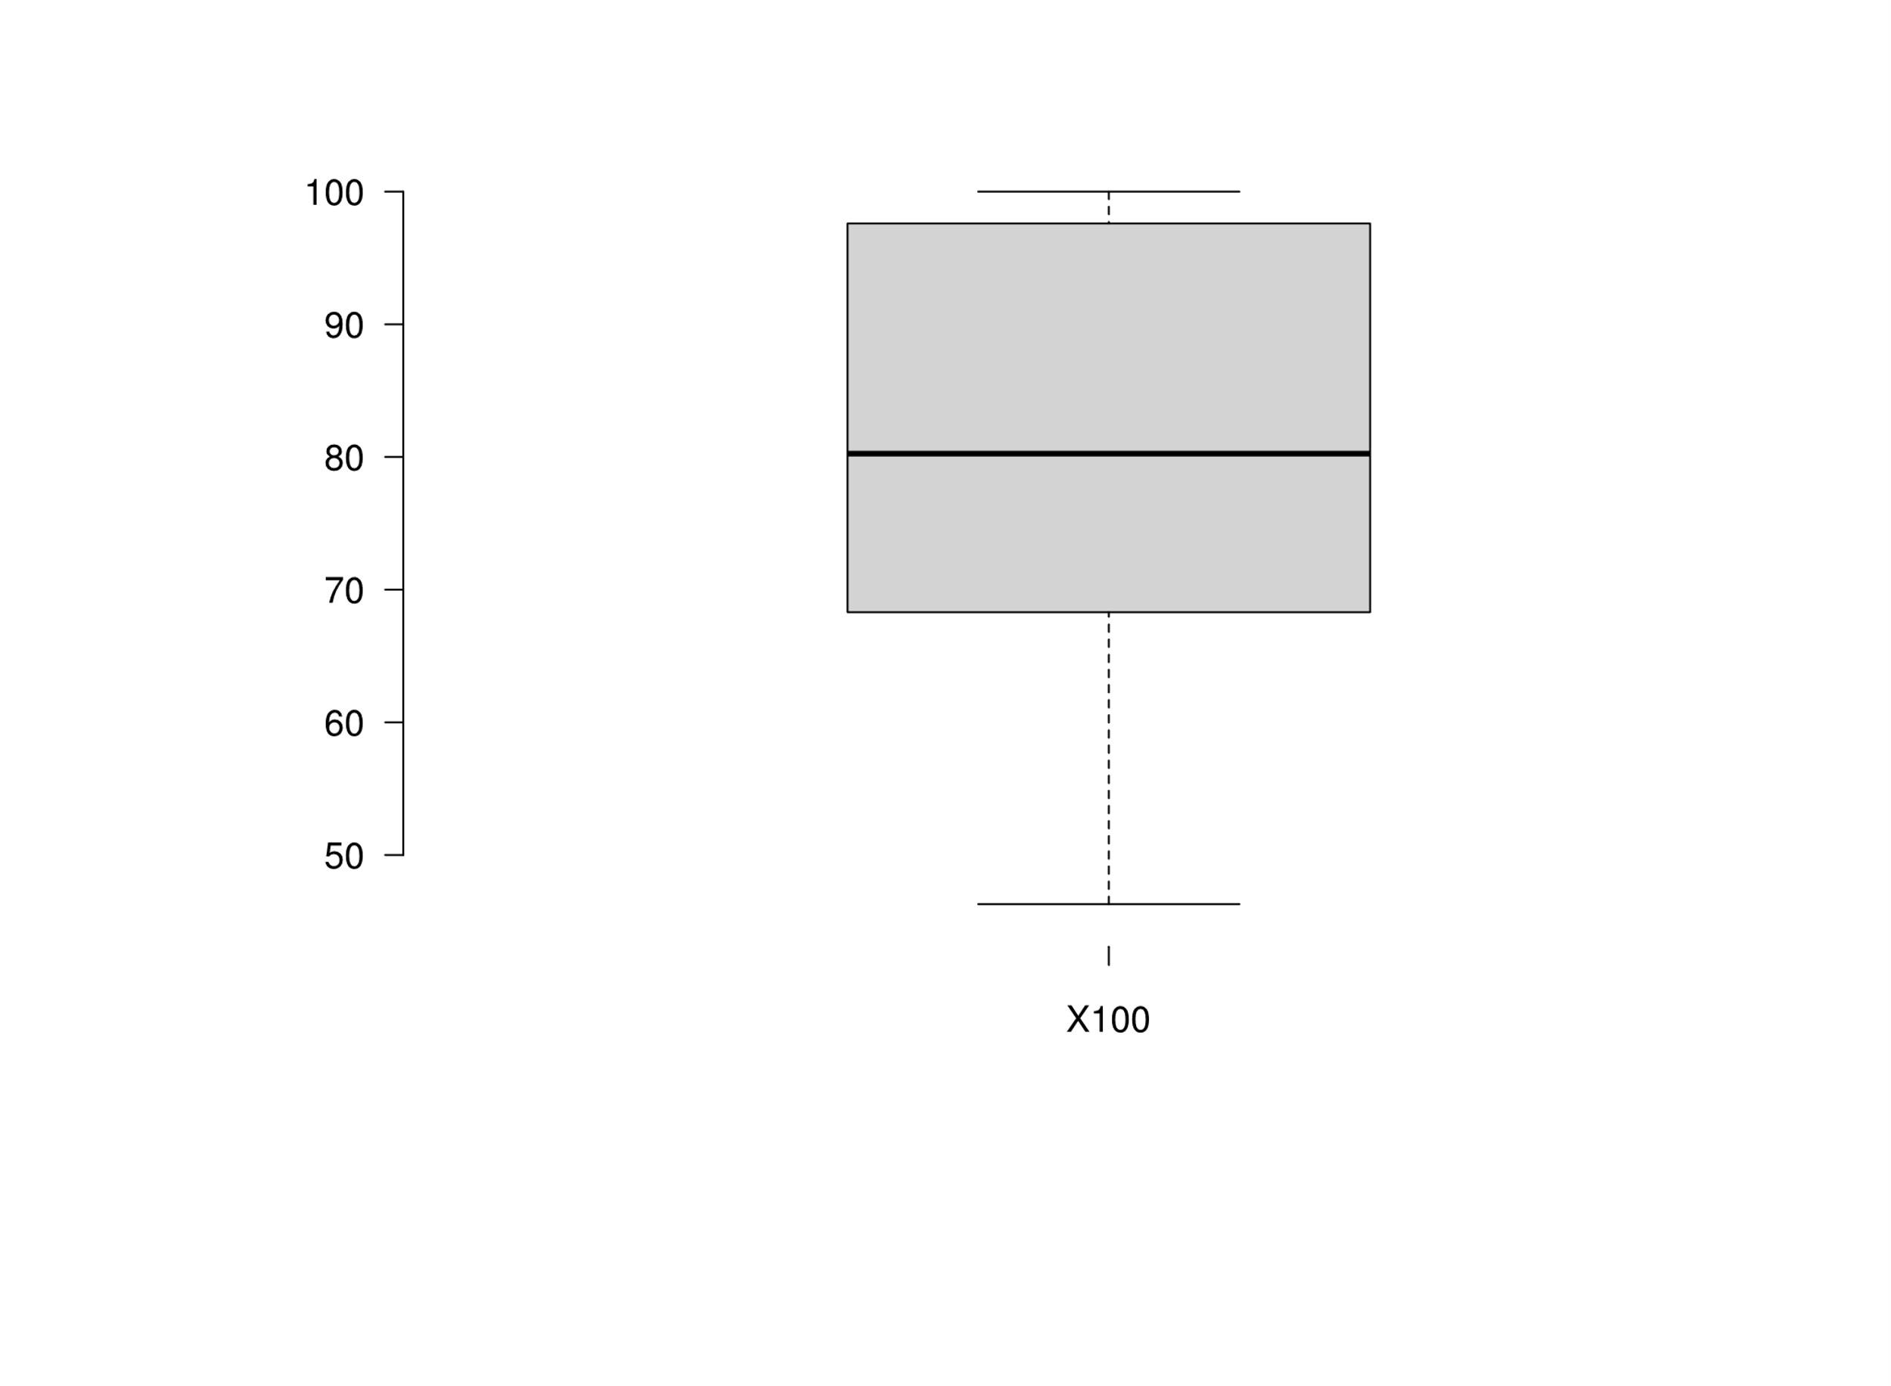 BoxPlotR's Box & Whisker Chart

